Jan
JANUARY 2022
Sunday | Monday | Tuesday | Wednesday | Thursday | Friday | Saturday
 |  |  |  |  |  | 2022-01-01

2022-01-02 | 2022-01-03 | 2022-01-04 | 2022-01-05 | 2022-01-06 | 2022-01-07 | 2022-01-08

2022-01-09 | 2022-01-10 | 2022-01-11 | 2022-01-12 | 2022-01-13 | 2022-01-14 | 2022-01-15

2022-01-16 | 2022-01-17 | 2022-01-18 | 2022-01-19 | 2022-01-20 | 2022-01-21 | 2022-01-22

2022-01-23 | 2022-01-24 | 2022-01-25 | 2022-01-26 | 2022-01-27 | 2022-01-28 | 2022-01-29

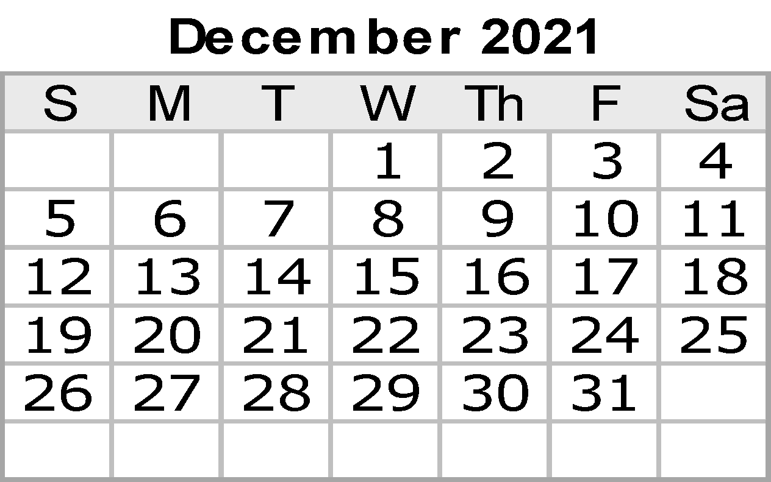
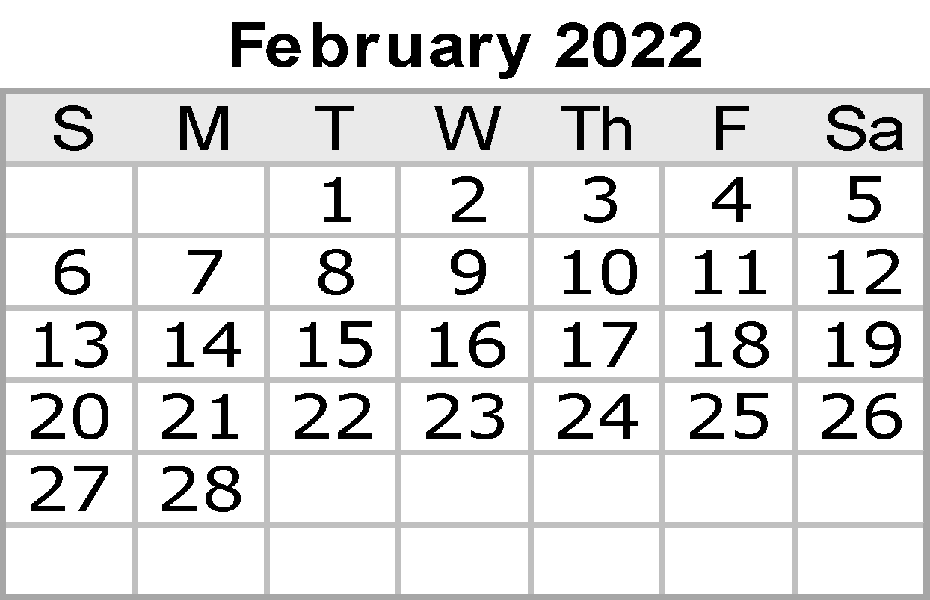
2022-01-30 | 2022-01-31 |  |  |  | Notes:

Feb
FEBRUARY 2022
Sunday | Monday | Tuesday | Wednesday | Thursday | Friday | Saturday
 |  | 2022-02-01 | 2022-02-02 | 2022-02-03 | 2022-02-04 | 2022-02-05

2022-02-06 | 2022-02-07 | 2022-02-08 | 2022-02-09 | 2022-02-10 | 2022-02-11 | 2022-02-12

2022-02-13 | 2022-02-14 | 2022-02-15 | 2022-02-16 | 2022-02-17 | 2022-02-18 | 2022-02-19

2022-02-20 | 2022-02-21 | 2022-02-22 | 2022-02-23 | 2022-02-24 | 2022-02-25 | 2022-02-26

2022-02-27 | 2022-02-28

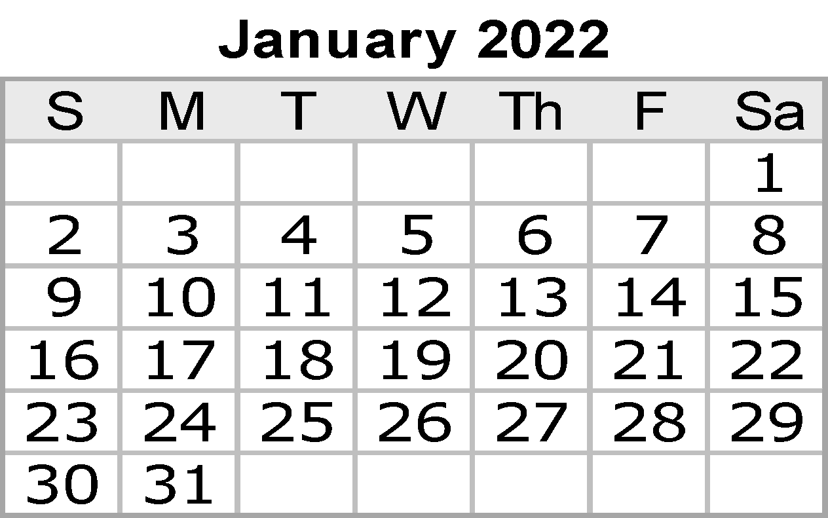
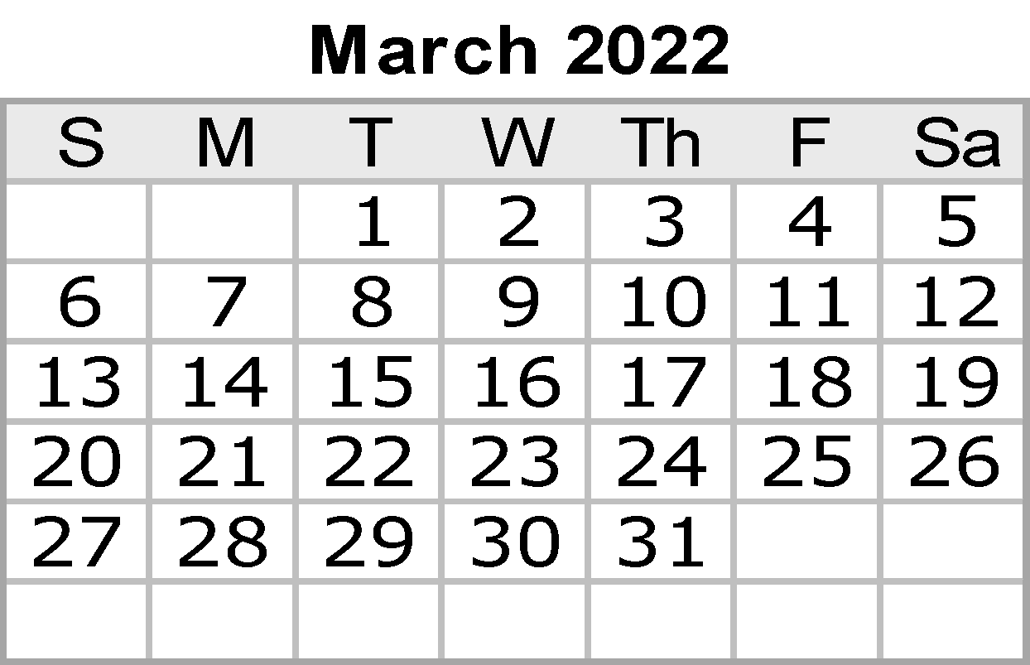
 |  |  |  |  | Notes:

Mar
MARCH 2022
Sunday |  | Monday | Tuesday | Wednesday |  | Thursday | Friday | Saturday
 |  |  | 2022-03-01 | 2022-03-02 | Ash Wednesday | 2022-03-03 | 2022-03-04 | 2022-03-05

2022-03-06 |  | 2022-03-07 | 2022-03-08 | 2022-03-09 |  | 2022-03-10 | 2022-03-11 | 2022-03-12

2022-03-13 |  | 2022-03-14 | 2022-03-15 | 2022-03-16 |  | 2022-03-17 | 2022-03-18 | 2022-03-19

2022-03-20 | Vernal eq. (GMT) | 2022-03-21 | 2022-03-22 | 2022-03-23 |  | 2022-03-24 | 2022-03-25 | 2022-03-26

2022-03-27 |  | 2022-03-28 | 2022-03-29 | 2022-03-30 |  | 2022-03-31

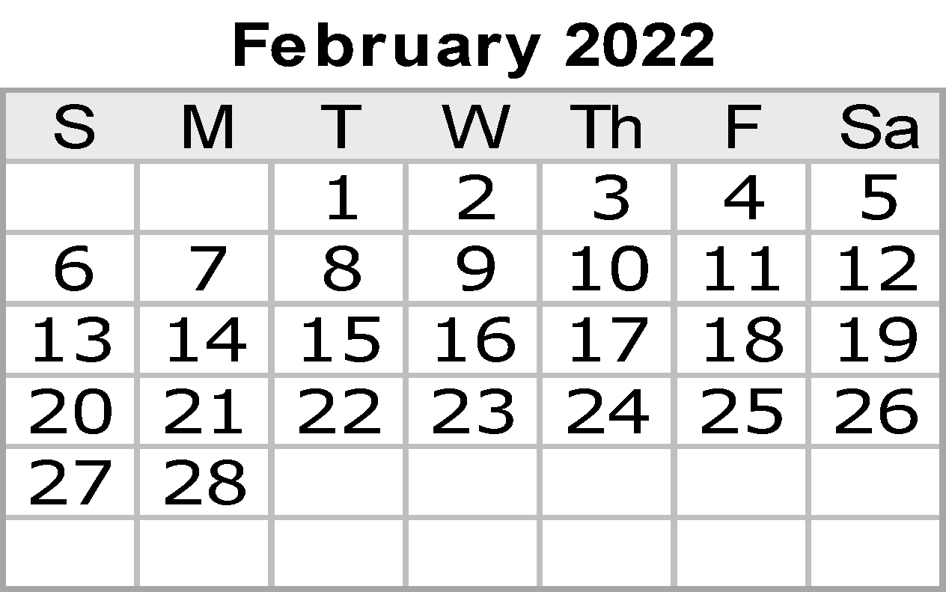

 |  |  |  |  |  |  | Notes:

Apr
APRIL 2022
Sunday | Monday | Tuesday | Wednesday |  | Thursday | Friday | Saturday
 |  |  |  |  |  | 2022-04-01 | 2022-04-02

2022-04-03 | 2022-04-04 | 2022-04-05 | 2022-04-06 |  | 2022-04-07 | 2022-04-08 | 2022-04-09

2022-04-10 | 2022-04-11 | 2022-04-12 | 2022-04-13 |  | 2022-04-14 | 2022-04-15 | 2022-04-16

2022-04-17 | 2022-04-18 | 2022-04-19 | 2022-04-20 |  | 2022-04-21 | 2022-04-22 | 2022-04-23

2022-04-24 | 2022-04-25 | 2022-04-26 | 2022-04-27 | Admin Assist Day | 2022-04-28 | 2022-04-29 | 2022-04-30


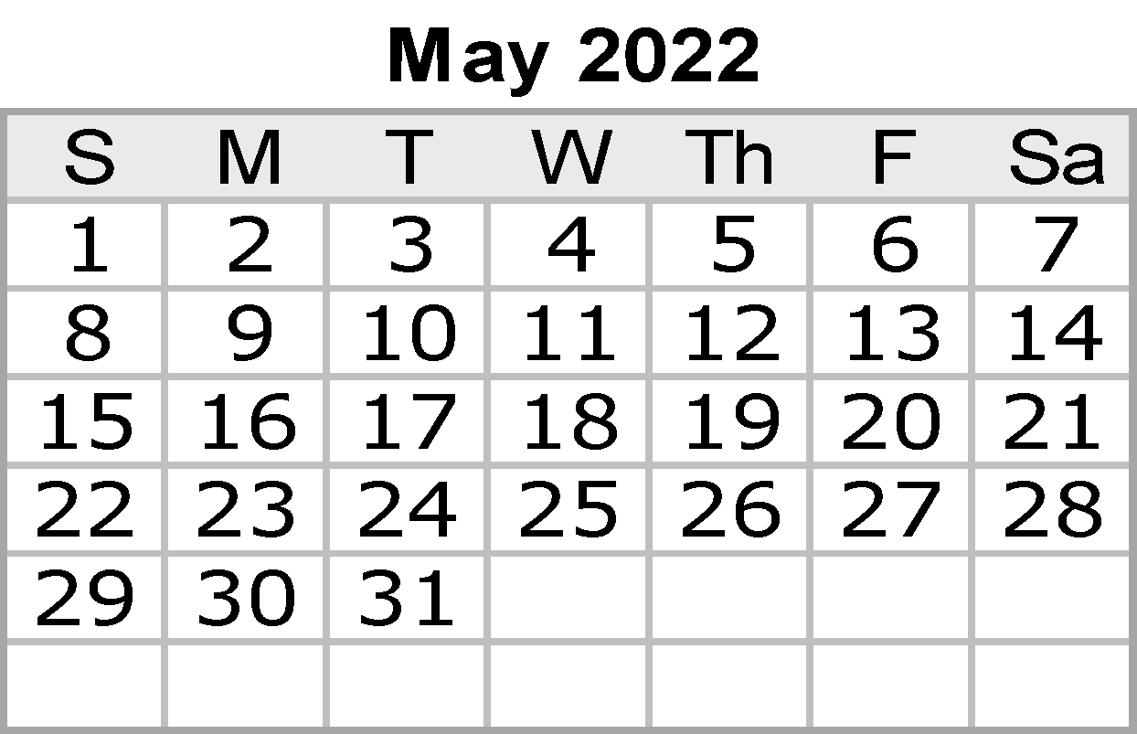
 |  |  |  |  |  | Notes:

May
MAY 2022
Sunday | Monday | Tuesday | Wednesday | Thursday | Friday | Saturday
2022-05-01 | 2022-05-02 | 2022-05-03 | 2022-05-04 | 2022-05-05 | 2022-05-06 | 2022-05-07

2022-05-08 | 2022-05-09 | 2022-05-10 | 2022-05-11 | 2022-05-12 | 2022-05-13 | 2022-05-14

2022-05-15 | 2022-05-16 | 2022-05-17 | 2022-05-18 | 2022-05-19 | 2022-05-20 | 2022-05-21

2022-05-22 | 2022-05-23 | 2022-05-24 | 2022-05-25 | 2022-05-26 | 2022-05-27 | 2022-05-28

2022-05-29 | 2022-05-30 | 2022-05-31

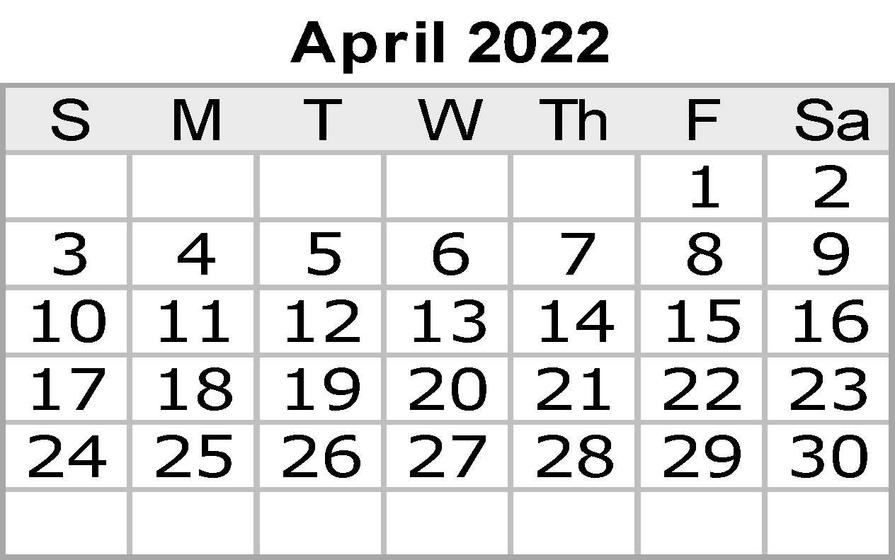

 |  |  |  |  | Notes:

Jun
JUNE 2022
Sunday |  | Monday | Tuesday |  | Wednesday | Thursday | Friday | Saturday
 |  |  |  |  | 2022-06-01 | 2022-06-02 | 2022-06-03 | 2022-06-04

2022-06-05 |  | 2022-06-06 | 2022-06-07 |  | 2022-06-08 | 2022-06-09 | 2022-06-10 | 2022-06-11

2022-06-12 |  | 2022-06-13 | 2022-06-14 |  | 2022-06-15 | 2022-06-16 | 2022-06-17 | 2022-06-18

2022-06-19 | Juneteenth | 2022-06-20 | 2022-06-21 | June Solstice (GMT) | 2022-06-22 | 2022-06-23 | 2022-06-24 | 2022-06-25

2022-06-26 |  | 2022-06-27 | 2022-06-28 |  | 2022-06-29 | 2022-06-30

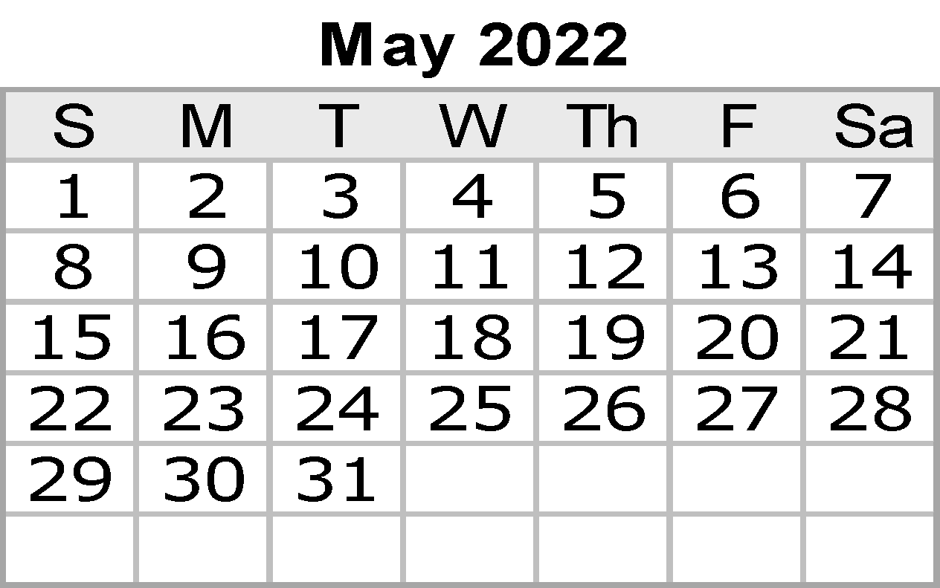
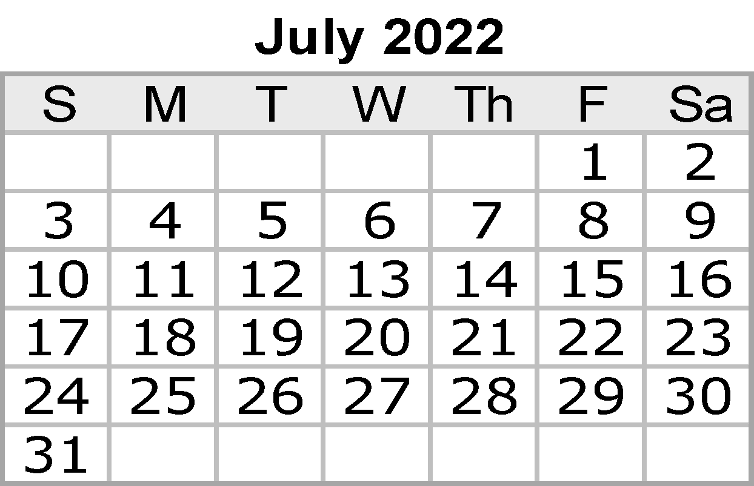
 |  |  |  |  |  |  | Notes:

Jul
JULY 2022
Sunday |  | Monday | Tuesday | Wednesday | Thursday | Friday | Saturday
 |  |  |  |  |  | 2022-07-01 | 2022-07-02

2022-07-03 |  | 2022-07-04 | 2022-07-05 | 2022-07-06 | 2022-07-07 | 2022-07-08 | 2022-07-09

2022-07-10 |  | 2022-07-11 | 2022-07-12 | 2022-07-13 | 2022-07-14 | 2022-07-15 | 2022-07-16

2022-07-17 |  | 2022-07-18 | 2022-07-19 | 2022-07-20 | 2022-07-21 | 2022-07-22 | 2022-07-23

2022-07-24 | Parents' Day | 2022-07-25 | 2022-07-26 | 2022-07-27 | 2022-07-28 | 2022-07-29 | 2022-07-30



2022-07-31

Aug
AUGUST 2022
Sunday | Monday | Tuesday | Wednesday | Thursday | Friday |  | Saturday
 | 2022-08-01 | 2022-08-02 | 2022-08-03 | 2022-08-04 | 2022-08-05 |  | 2022-08-06

2022-08-07 | 2022-08-08 | 2022-08-09 | 2022-08-10 | 2022-08-11 | 2022-08-12 |  | 2022-08-13

2022-08-14 | 2022-08-15 | 2022-08-16 | 2022-08-17 | 2022-08-18 | 2022-08-19 | Aviation Day | 2022-08-20

2022-08-21 | 2022-08-22 | 2022-08-23 | 2022-08-24 | 2022-08-25 | 2022-08-26 |  | 2022-08-27

2022-08-28 | 2022-08-29 | 2022-08-30 | 2022-08-31

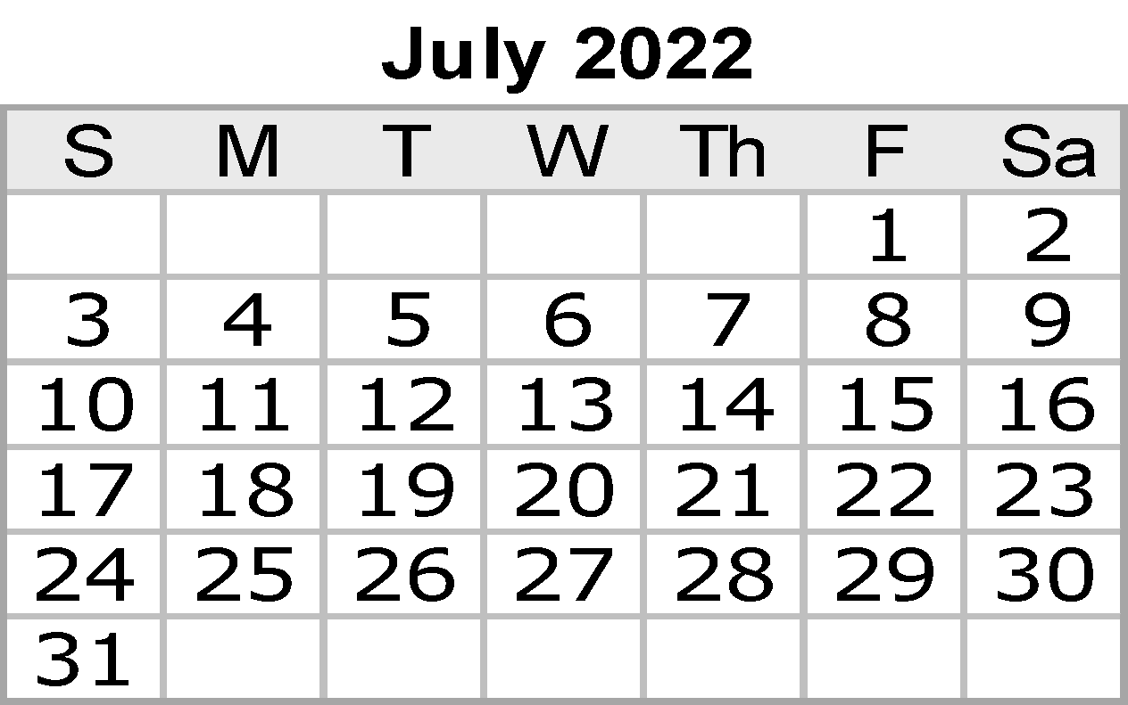
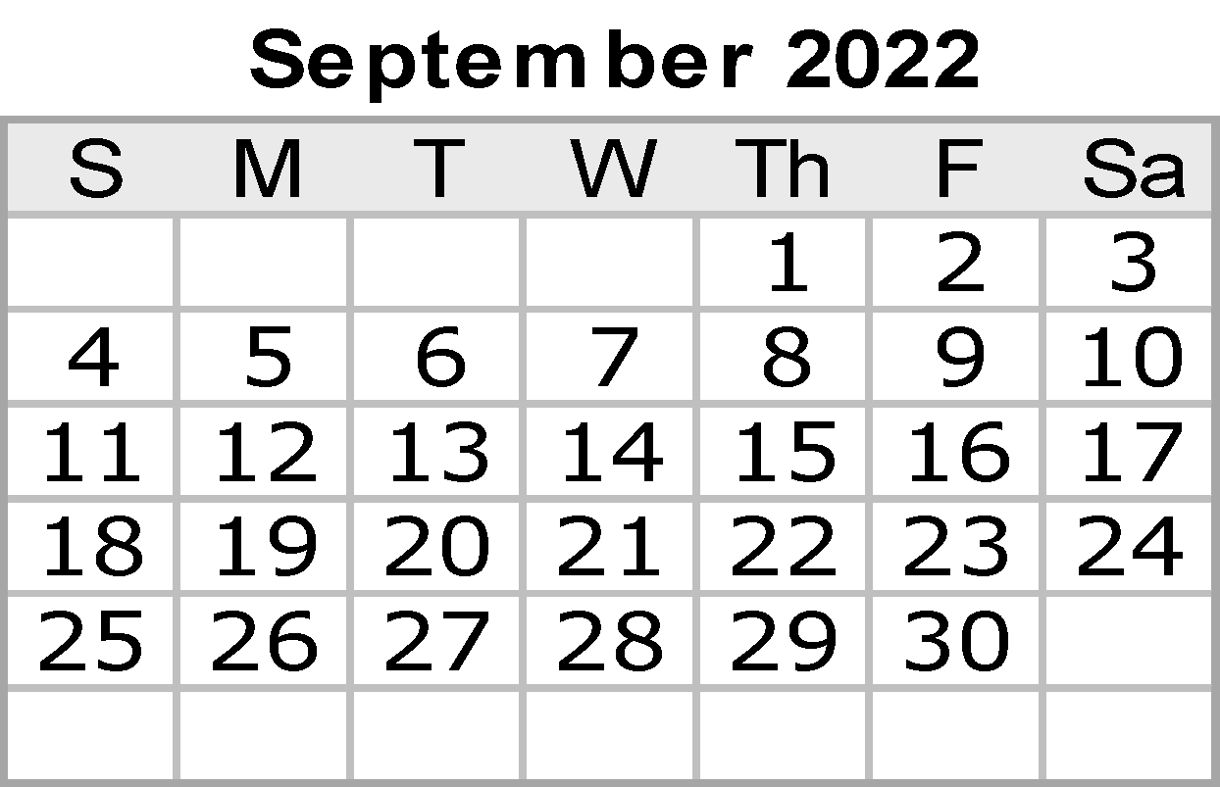
 |  |  |  |  | Notes:

Sep
SEPTEMBER 2022
Sunday |  | Monday | Tuesday | Wednesday | Thursday | Friday |  | Saturday
 |  |  |  |  | 2022-09-01 | 2022-09-02 |  | 2022-09-03

2022-09-04 |  | 2022-09-05 | 2022-09-06 | 2022-09-07 | 2022-09-08 | 2022-09-09 |  | 2022-09-10

2022-09-11 | Patriot Day | 2022-09-12 | 2022-09-13 | 2022-09-14 | 2022-09-15 | 2022-09-16 |  | 2022-09-17
Grandparents Day

2022-09-18 |  | 2022-09-19 | 2022-09-20 | 2022-09-21 | 2022-09-22 | 2022-09-23 | Autumnal eq. (GMT) | 2022-09-24

2022-09-25 |  | 2022-09-26 | 2022-09-27 | 2022-09-28 | 2022-09-29 | 2022-09-30


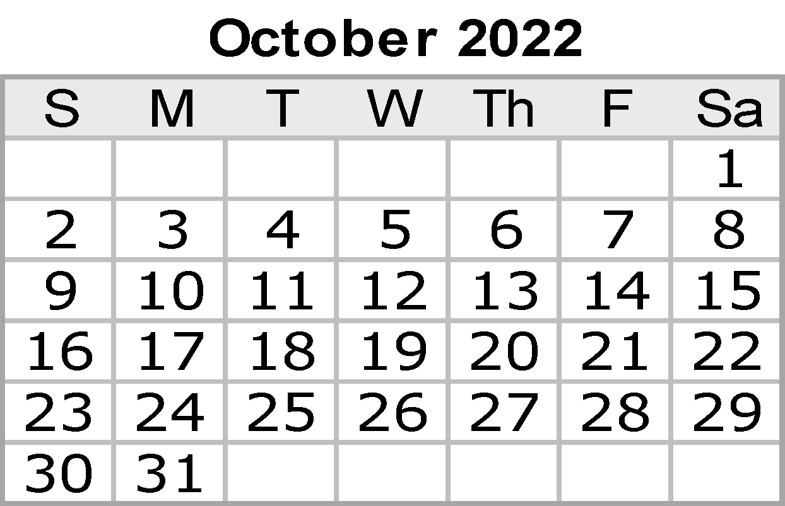
 |  |  |  |  |  | Notes:

Oct
OCTOBER 2022
Sunday | Monday |  | Tuesday | Wednesday | Thursday | Friday | Saturday
 |  |  |  |  |  |  | 2022-10-01

2022-10-02 | 2022-10-03 |  | 2022-10-04 | 2022-10-05 | 2022-10-06 | 2022-10-07 | 2022-10-08

2022-10-09 | 2022-10-10 |  | 2022-10-11 | 2022-10-12 | 2022-10-13 | 2022-10-14 | 2022-10-15

2022-10-16 | 2022-10-17 |  | 2022-10-18 | 2022-10-19 | 2022-10-20 | 2022-10-21 | 2022-10-22

2022-10-23 | 2022-10-24 | United Nations Day | 2022-10-25 | 2022-10-26 | 2022-10-27 | 2022-10-28 | 2022-10-29


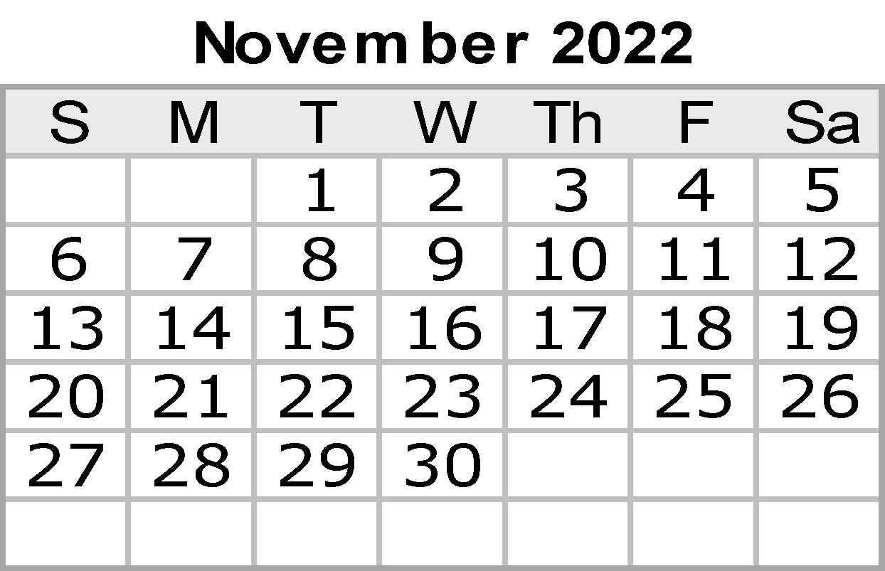
2022-10-30 | 2022-10-31 |  |  |  |  | Notes:

Nov
NOVEMBER 2022
Sunday | Monday | Tuesday | Wednesday | Thursday | Friday | Saturday
 |  | 2022-11-01 | 2022-11-02 | 2022-11-03 | 2022-11-04 | 2022-11-05

2022-11-06 | 2022-11-07 | 2022-11-08 | 2022-11-09 | 2022-11-10 | 2022-11-11 | 2022-11-12

2022-11-13 | 2022-11-14 | 2022-11-15 | 2022-11-16 | 2022-11-17 | 2022-11-18 | 2022-11-19

2022-11-20 | 2022-11-21 | 2022-11-22 | 2022-11-23 | 2022-11-24 | 2022-11-25 | 2022-11-26

2022-11-27 | 2022-11-28 | 2022-11-29 | 2022-11-30



 |  |  |  |  | Notes:

Dec
DECEMBER 2022
Sunday | Monday | Tuesday | Wednesday |  | Thursday | Friday | Saturday
 |  |  |  |  | 2022-12-01 | 2022-12-02 | 2022-12-03

2022-12-04 | 2022-12-05 | 2022-12-06 | 2022-12-07 |  | 2022-12-08 | 2022-12-09 | 2022-12-10

2022-12-11 | 2022-12-12 | 2022-12-13 | 2022-12-14 |  | 2022-12-15 | 2022-12-16 | 2022-12-17

2022-12-18 | 2022-12-19 | 2022-12-20 | 2022-12-21 | Dec. Solstice (GMT) | 2022-12-22 | 2022-12-23 | 2022-12-24

2022-12-25 | 2022-12-26 | 2022-12-27 | 2022-12-28 |  | 2022-12-29 | 2022-12-30 | 2022-12-31

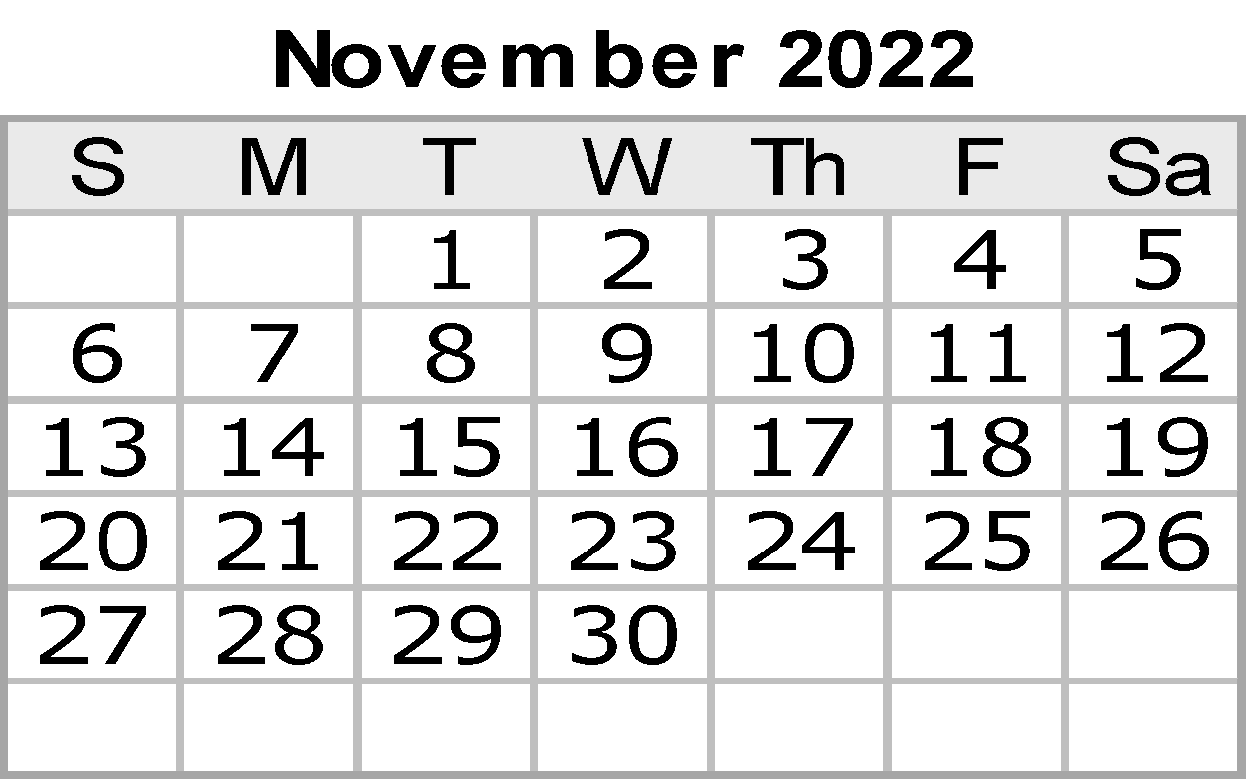

 |  |  |  |  |  | Notes:

